Module 26
Main
 | Module 26 - Consolidated Financial Statements: Acquisition Accounting

 |  |  |  |  |  |  | Checklist
 | GW |  |  |  |  |  | add accounts togerht
 | NCI |  |  |  |  |  | erconise gw at acq
 | pre-acq reserves - the reserves of the acquired company |  |  |  |  |  | imapirment og gw
 |  |  |  |  |  |  | allocate share of subs histoiric profits/loss to NCI
 | there is never a GL for the group on an accounting package |  |  |  |  |  | allocate share of subs CY profit loss to NCI
 | mostly done on excel at the end of the process |  |  |  |  |  | Eliminate IC
 | GW is only the premium when acquiring a controlling stake

 | IFRS 3 - business combinations - <<<main standard
 | IFRS 10 - consolidated financial statements

 | control is defined at 50.1% of the shares
 | IFRS applied at acquisition, then IFRS 10 thereafter

 | acquisition of the controlling stake is the combination date
 | gain from a bargain purchase

 | Step 1: Add the TBs together
 | Step 2: Adjustment column
 |  | IC balances
 |  | dvididends
 |  | gw

 | aim to report the group as a single economic entity

 | statements are submitted on excel
 | journals are copy and pasted into cirrus

 | Eliminate goodwill for group reporting

 | Activity 1
 | Alice | parent
 | owns | 100% | of
 | Springs | sub
 | cost | 175
 | on | 2023-06-30

 | 2023-06-30
 | ASSETS |  |  |  | JE1 |  | JE2
 | Non-current assets | Alice | Springs | Total | Dr | Cr | dr | cr | Final
 | Goodwill |  |  |  | 14 |  |  | 7 | 7
 | Property, plant and equipment | 200 | 140 | 340 |  |  |  |  | 340
 | Investment in Springs | 175 | 0 | 175 |  | 175
 |  | 375 | 140 | 515 |  |  |  |  | 515
 | Current assets
 | Inventories | 60 | 40 | 100 |  |  |  |  | 100
 | Trade receivables | 30 | 16 | 46 |  |  |  |  | 46
 |  | 90 | 56 | 146 |  |  |  |  | 146
 |  | 465 | 196 | 661 |  |  |  |  | 661
 | EQUITY AND LIABILITIES
 | Equity
 | Share capital | 150 | 100 | 250 | 100 |  |  |  | 150
 | Retained earnings | 245 | 61 | 306 | 61 |  | 7 |  | 238
 | Total equity | 395 | 161 | 556 |  |  |  |  | 556
 |  |  |  |  |  |  |  |  | 0
 | Current liabilities |  |  |  |  |  |  |  | 0
 | Trade and other payables | 70 | 35 | 105 |  |  |  |  | 105
 | Total liabilities | 70 | 35 | 105 |  |  |  |  | 105
 | Total equity and liabilities | 465 | 196 | 661 |  |  |  |  | 661

 | Investment in Springs |  | 175
 | Share capital | 100
 | RE | 61 | -161
 | GW |  | 14

 | JE1
 | dr - share capital |  |  | 100
 | dr - RE |  |  | 61
 | Dr - GW |  |  | 14
 |  | cr - investment in Springs |  |  | 175
 | being elimination of ivestment and recognition of goodwill

 | Goodwilll
 | goodwill is not always equal to the premia as sometimes internally generated IA can be recognised to reduce the goodwil balance and create an IA

 | if there is a bargain purchase, recognise the gain the the SPL - gain from an bargain purchase
 | post the goodwill or gain from a bargain purchase consol. Journal entry must be posted each year as part of the consol. Process
 | goodwill is the same as on the date of acquisition
 | bargain purchase goes from being put through SPL to RE once it has been there for more than 1 year

 | impairment of goodwill
 | CY - SPL
 | PY - RE

 | if it impacts this year then it goes through PL
 | if is an adjustment from the past it goes to retained earnings

 | Activity 2
 | goodwill was assessed to be impaired by 50%

 | 2019-06-30
 | ASSETS |  |  |  | JE1 |  | JE2
 | Non-current assets | Alice | Springs | Total | Dr | Cr | dr | cr | Final
 | Goodwill |  |  |  | 14 |  |  | 7 | 7
 | Property, plant and equipment | 240 | 160 | 400 |  |  |  |  | 400
 | Investment in Springs | 175 | 0 | 175 |  | 175
 |  | 415 | 160 | 575 |  |  |  |  | 407
 | Current assets
 | Inventories | 50 | 45 | 95 |  |  |  |  | 95
 | Trade receivables | 45 | 21 | 66 |  |  |  |  | 66
 |  | 95 | 66 | 161 |  |  |  |  | 161
 |  | 510 | 226 | 736 |  |  |  |  | 568
 | EQUITY AND LIABILITIES
 | Equity
 | Share capital | 150 | 100 | 250 | 100 |  |  |  | 150
 | Retained earnings | 315 | 96 | 411 | 61 |  | 7 |  | 343
 | Total equity | 465 | 196 | 661 |  |  |  |  | 493

 | Current liabilities
 |  | 5 | 10 | 15 |  |  |  |  | 15
 | Trade and other payables | 40 | 20 | 60 |  |  |  |  | 60
 | Total liabilities | 45 | 30 | 75 |  |  |  |  | 75
 | Total equity and liabilities | 510 | 226 | 736 |  |  |  |  | 568

 | Recognise any impairment and recognition of goodwill

 | historical impairment of goodwill
 |  | 50%
 |  | 14
 |  | 7

 | dr - RE |  |  | 7
 |  | cr - Goodwill
 | being historical impairment of goodwill |  |  |  | 7

 | Share of NCI

 | Investment in subsidiary |  | 180
 | NCI - 10% |  | 15
 |  |  | 195
 | Share cap | 100
 | RE | 50 | 150
 | GW |  | 45

 | dr - Share capital |  |  | 100
 | dr - RE |  |  | 50
 | dr - GW |  |  | 45
 |  | cr - investment in sub |  |  | 180
 |  | cr -SFP - NCI |  |  | 15
 | being elimination of investment and recognition of gw and NCI

 | Acticity 3 |  |  |  | JE1
 |  | Matthew | Mark | Final | dr | cr
 | GW |  |  |  | 21 |  | 21
 | Investment in Mark | 83 | 0 | 83 |  | 83 | 0
 | Other assets | 503 | 77 | 580 |  |  | 580
 |  | 586 | 77 | 663 |  |  | 601

 | Share cap | 150 | 50 | 200 | 50 |  | 150
 | RE | 436 | 27 | 463 | 27 |  | 436
 | NCI |  |  |  |  | 15 | 15
 |  | 586 | 77 | 663 | 98 | 98 | 601

 | 2024-03-31
 | Share Cap | 40
 | GW | 43
 | investment | 83

 | Mark's total share cap | 50
 | our stake | 80%
 | NCI | 20%

 | Investment in Mark |  |  | 83
 | NCI |  |  | 15
 | Share Capital |  | 50
 | RE |  | 27 | -77
 | GW |  |  | 21

 | dr - Share capital |  | 50
 | dr - RE |  | 27
 | dr -GW |  | 21
 |  | cr - Investment in Mark |  | 83
 |  | cr - SFP - NCI |  | 15
 | being elimination of investment and recognition of goodwill and NCI

 | CY - SPL
 | PY - RE

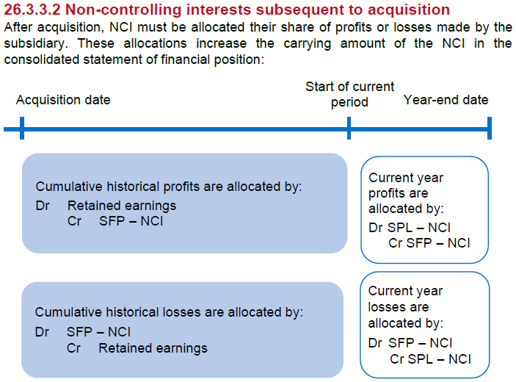

 | Step 4 is walking forward the PY results
 | Step 5 is dealing with the current year results

 | Acticity 3 |  |  |  | JE1
 |  | Matthew | Mark | Final | dr | cr
 | GW |  |  |  | 21 | 1 | 20
 | Investment in Mark | 83 | 0 | 83 |  | 83 | 0
 | Other assets | 659 | 153 | 812 |  |  | 812
 |  | 742 | 153 | 895 |  |  | 832

 | Share cap | 150 | 50 | 200 | 50 |  | 150
 | RE | 592 | 103 | 695 | 43 |  | 652
 | NCI |  |  |  |  | 30 | 30
 |  | 742 | 153 | 895 | 114 | 114 | 832

 | PBT | 218 | 66 | 284 | 1 |  | 283
 | tax | -62 | -20 | -82 |  |  | -82
 | PAT | 156 | 46 | 202 |  |  | 201
 | NCI |  |  |  | 9 |  | -9
 |  |  |  |  |  |  | 192
 |  |  |  |  |  | 10 |  | <<RE sweep
 |  |  |  |  | 124 | 124
 | Step 1: add together
 | Step 2: recognise goodwill and NCI at the date of acquisition
 | Step 3: recognise any impairment of goodwill

 | CY impairment of gw |  | 5%
 |  |  | 21
 |  |  | 1

 | dr - SPL - impairment loss |  |  | 1
 |  | cr - Gw |  |  | 1
 | being current year impairment of goodwill

 | Step 4: allocate share of subsidiary historical profit/loss and other gains/losses to the NCI

 | RE | 2029-03-31 |  |  | 103
 | PAT | 2029-03-31 |  |  | -46
 | RE | 2028-03-31 |  |  | 57
 | RE | 2024-03-31 |  |  | -27
 | Increase |  |  |  | 30
 | NCI share of historical profit - 20% |  |  |  | 6

 | dr - RE |  |  | 6
 |  | cr - NCI SFP |  |  | 6
 | being NCI share of historical profit

 | Step 5: Allocate share of subsidiary current year profit/loss and other gains/ losses to NCI

 | NCI share of CY profits |  | 20%
 |  |  | 46
 |  |  | 9

 | dr - SPL NCI share of profits |  |  | 9
 |  | cr - SFP - NCI |  |  | 9
 | being NCI interst in CY profit

 | Final step
 | transfer adjustments in the consolidation statement of profit or loss to the consolidated statement of financial position

 | CY impairment of GW |  |  | 1 | dr
 | NCI CY profit |  |  | 9.2 | dr
 | total |  |  | 10 | dr

 | dr - RE |  |  | 10
 |  | cr - SPL |  |  | 10
 | being transfer to RE

 | For OCI
 | the same but put all the gains/losses into a reserve balance

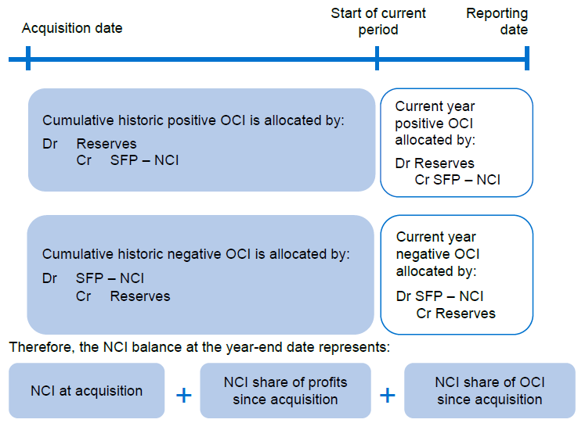

 | Activity 5
 | Spark Ltd
 | Statement of financial position (extracts)
 | As at 31 December 20X8
 | EQUITY
 | Share capital |  | 50
 | Retained earnings |  | 740
 | Total equity |  | 790
 | Spark Ltd
 | Statement of profit or loss (extracts)
 | For the year ended 31 December 20X8
 | Profit before tax |  | 165
 | Taxation |  | -60
 | PROFIT FOR THE YEAR |  | 105

 | Ret at | 2018-12-31 | 740
 | PAT from 1/7/2018 to 31/12/2018 |  | -79
 | RET at 30/06/2018 |  | 661

 | Investment in Spark |  |  | 600
 | NCI share of assets |  |  | 142
 | SC |  | 50
 | RE |  | 661 | -711
 | gw at point of acq. |  |  | 31

 | dr - SC |  |  | 50
 | dr - RE |  |  | 661
 | dr - GW |  |  | 31
 |  | cr - investment in spark |  |  | 600
 |  | cr - SFP NCI |  |  | 142
 | being elimination of investment and recognition of goodwill and NCI

 | NCI share of CY profit |  | 20%
 |  |  | 79
 |  |  | 16

 | dr - SPL NCI |  |  | 16
 |  | cr - SFP NCI |  |  | 16
 | being NCI share of CY profit

